Description
File Identifier: "Fig 5(B).xlsx"
File Description:
This file comprised of data used for Box and Whiskers plot in Figure 5(B). The blood perfusion values are provided in ml/min/100 gm as well as m³/s/m³
Copyright (c) 2020, Arka Bhowmik and Suman Chakraborty
Use of source files and data, with or without modification, are permitted provided that the following condition is met.
1. Citing the source paper or data source.
2. Source paper: Arka Bhowmik, Mousumi Pal, Ranjan Rashmi Paul, Jyotirmoy Chatterjee, Suman Chakraborty, A Portable Blood Perfusion Imaging Device for Screening of Oral Submucosa Fibrosis and Squamous Cell Carcinoma, Journal Name, Vol, Year.
3. Data source: A. Bhowmik, J. Chatterjee, and S. Chakraborty, Measured temperature, blood perfusion, metabolic heat generation and thermal conductivity of healthy oral mucosa, OSCC and OSF, 2020 [Online]: https://github.com/Arka-Bhowmik/oral_properties
Further information can be obtained from Dr. Arka Bhowmik (arkabhowmik@yahoo.co.uk) and/or Dr. Suman Chakraborty (suman@mech.iitkgp.ac.in).

Box & Whisker Plot
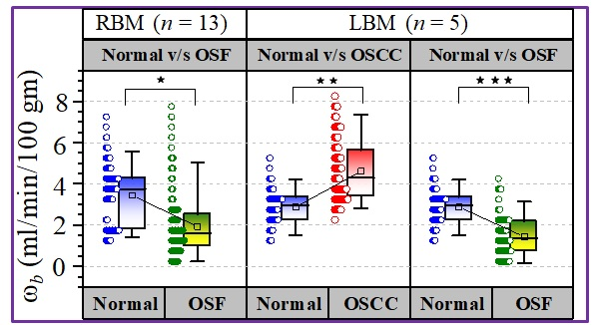
Marker | p - value
 | Kruskal Wallis | two-way ANOVA
* | 0 | 0
** | 3.31×10-201 | 0
*** | 4.339×10-222 | 0

